Wax Jackets
Royal Paddock |  |  |  |  |  |  |  |  | RRP
Made in England |  |  |  |  |  |  |  |  | £120.00
IMAGE | DESCRIPTION | COLOUR | XS | S | M | L | XL | 2XL | 3XL | TOTAL
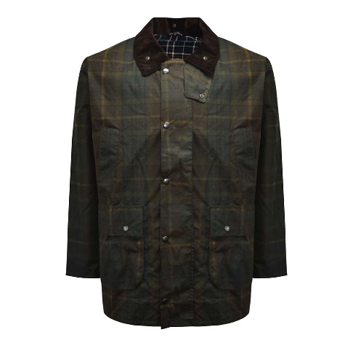 | CHECK WAX JACKET WITH HOOD & BELLOWS POCKET | BROWN CHECK WAX | 8 | 73 | 119 | 83 | 85 | 66 | 66 | 500

